Tabelle1
FrontSusLayout1
TrackWidth |  |  | 23,5cm

Camber and WheelTravel

Travel measured from center of tirepatch.

Camber and WheelTravel
Camber [°]
WheelTravel [mm]
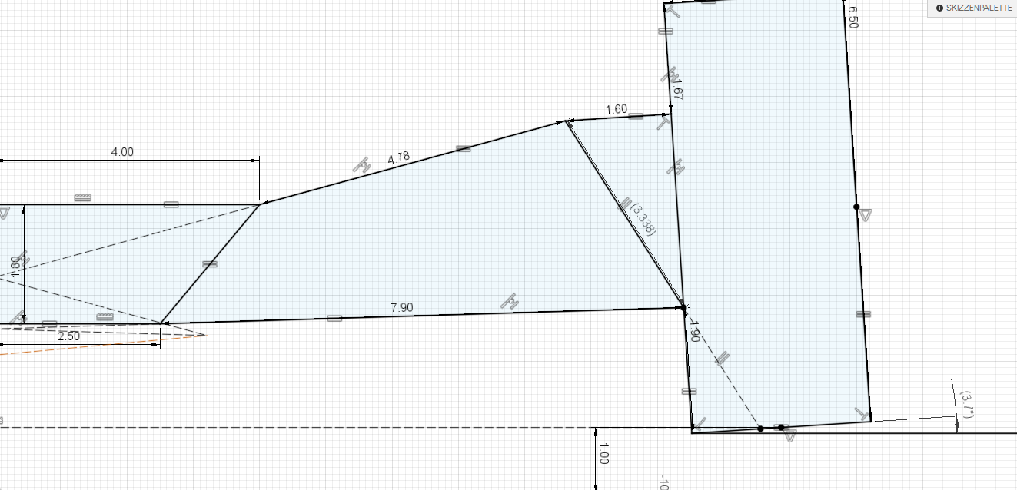
Travel [mm] | Camber [°]
-10 | 2.5
-9 | 2.2
-8 | 2
-7 | 1.7
-6 | 1.5
-5 | 1.2
-4 | 0.9
-3 | 0.6
-2 | 0.4
-1 | 0.1
0 | -0.3
1 | -0.6
2 | -0.9
3 | -1.2
4 | -1.6
5 | -1.9
6 | -2.2
7 | -2.6
8 | -3
9 | -3.3
10 | -3.7
11 | -4.1
12 | -4.5
13 | -4.9
14 | -5.3
15 | -5.7
16 | -6.1
17 | -6.5
18 | -7
19 | -7.4
20 | -7.8
21 | -8.3
22 | -8.7
23 | -9.2
24 | -9.7
25 | -10.2

RollCenter

RollCenter with equal L/R-Travel

RollCenterHeigth and equal L-/R-WheelTravel
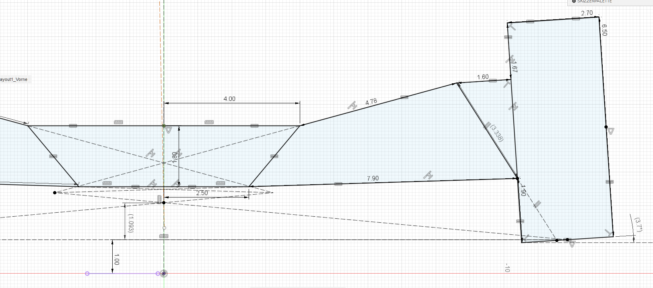
Travel [mm] | RollCenterHeigth above Ground [mm]
-10 |  | 31.7
-9 |  | 30.7
-8 |  | 29.7
-7 |  | 28.6
-6 |  | 27.6
-5 |  | 26.5
-4 |  | 25.5
-3 |  | 24.4
-2 |  | 23.4
-1 |  | 22.4
0 |  | 21.3
1 |  | 20.3
2 |  | 19.2
3 |  | 18.2
4 |  | 17.2
5 |  | 16.1
6 |  | 15.1
7 |  | 14
8 |  | 13
9 |  | 12
10 |  | 10.9
11 |  | 9.9
12 |  | 8.9
13 |  | 7.8
14 |  | 6.8
15 |  | 5.8
16 |  | 4.7
17 |  | 3.7
18 |  | 2.7
19 |  | 1.6
20 |  | 0.6
21 |  | -0.4
22 |  | -1.4
23 |  | -2.5
24 |  | -3.5
25 |  | -4.5

RollCenter with opposite, "equal" L/R-Travel
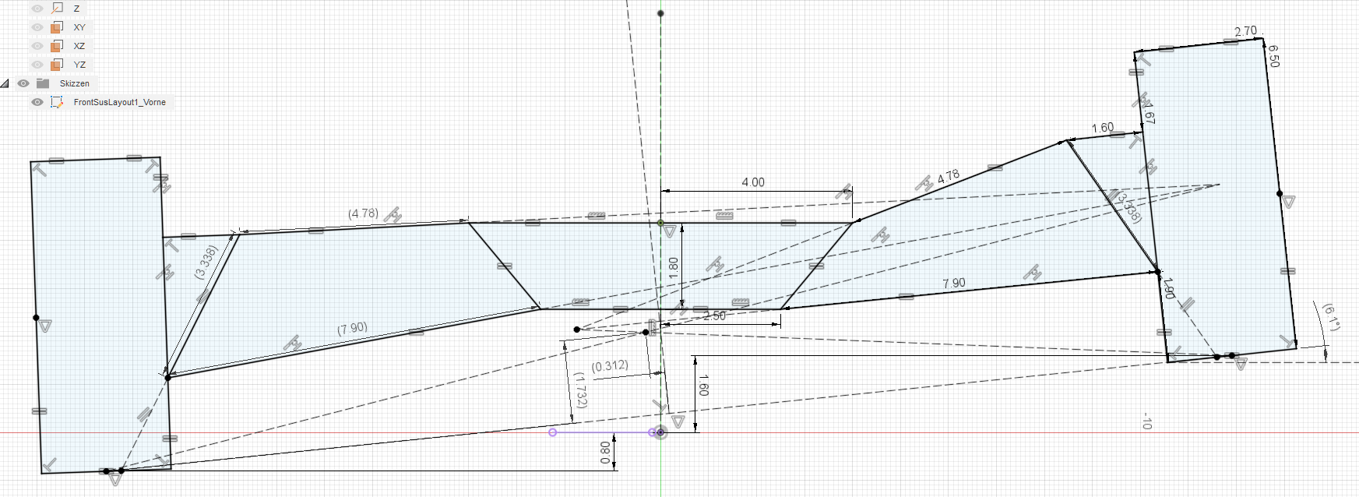
RollCenter with opposite, "equal" L/R-Travel
 |  |  |  | (RollCenter travels to left in right-handed turns)
Travel [mm] | RollCenterHeigth above Ground [mm] |  |  | RollCenterTravel L/R [mm]
1 |  | 21.3 |  |  | 0.1
2 |  | 21.3 |  |  | 0.1
3 |  | 21.3 |  |  | 0.1
4 |  | 21.3 |  |  | 0.2
5 |  | 21.3 |  |  | 0.2
6 |  | 21.3 |  |  | 0.3
7 |  | 21.4 |  |  | 0.3
8 |  | 21.4 |  |  | 0.3
9 |  | 21.4 |  |  | 0.4
10 |  | 21.4 |  |  | 0.4

RollCenter with LTravel = -2*RTravel
RollCenter with LTravel = -2*RTravel
 |  |  |  | (RollCenter travels to left in right-handed turns)
Travel [mm] | RollCenterHeigth above Ground [mm] |  |  | RollCenterTravel L/R [mm]
0 |  | 21.3 |  |  | 0
2 |  | 20.8 |  |  | 0.1
4 |  | 20.3 |  |  | 0.2
6 |  | 19.8 |  |  | 0.3
8 |  | 19.3 |  |  | 0.4
10 |  | 18.8 |  |  | 0.5
12 |  | 18.3 |  |  | 0.7
14 |  | 17.8 |  |  | 0.8
16 |  | 17.3 |  |  | 1
18 |  | 16.8 |  |  | 1.1
20 |  | 16.3 |  |  | 1.3

